Sheet1
No | Module | Issues /Changes | Source | API | Sample | Screen | PIC
1 | Create Company | Need to pass Parent company ID and Company Account Code, please change: 1. Parent Company to a searchable drop down (Use Company list API) 2. Remove the text descriptions "Freight Mark Group of Company" | Front End | http://139.59.221.42:8001/api/company/create | { "company_account_code": "I000086", "company_code": "FXFX", "company_name": "FMX IT 2", "display_name": "FMX IT 2", "parent_company_account_code": "F000086", "parent_company_id" : "11b91530-b4e8-4b47-b3d3-e6d4e31077a9", "is_cod": true, "is_do": true, "is_active" : true, "label_default" : "A4", "address_id": "7a1c214f-b273-4161-8e44-46b28fbe0051", "company_service_list": [ { "service_id": "e2eecbfc-9837-495f-8606-c4a836fed6a2", "service_code": "PREMIUM" } ] } | 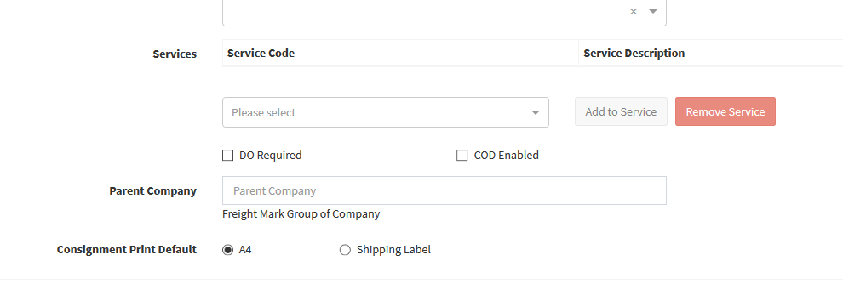 | Wing Fei
2 | Address Search | Ignore case for search text | Backend | /api/address/list/ |  | 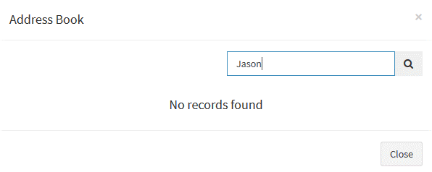 | Africk / Mun Hoe
3 | Address Search | Not returning Private Address (This should show when the contact created by same user. | Backend | /api/address/list/ |  | 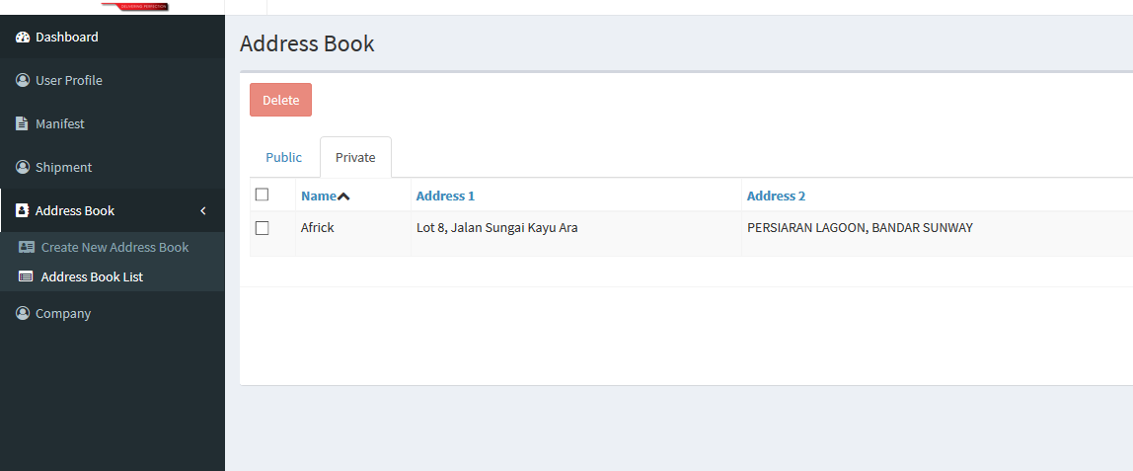 | Africk / Mun Hoe
3 | Address Search | Did Pagination applied? | Front End
4 | User Password Reset | Password Reset API not exist, double check on this | Backend |  |  |  | Africk / Mun Hoe
5 | My CIT Account | Update user detail not working (Missing API) | Backend + Front end |  |  |  | Africk / Mun Hoe
6 | Shipment List | Shipment list create date to return format YYYY-MM-DD HH:MM:SS Only | Backend | api/shipment/list/ |  |  | Africk / Mun Hoe
7 | Shipment List | Ignore case for search text | Backend | api/shipment/list/ |  |  | Africk / Mun Hoe
8 | Shipment Listing | Edit Shipment Fail | Front End | api/shipment/list |  |  | Wing Fei
9 | Shipment Listing | Filter of shipment list incorrect a. User login under different company but seeing same shipments b. Filteration not by CIT | Backend | api/shipment/list |  |  | Africk / Mun Hoe
10 | Shipment Listing | Pagination is missing (only loads 20) | Front End | api/shipment/list |  |  | Wing Fei
11 | Create Shipment | First Load during create shipment does not takes shipper contact and postcode as there's no return from backend | Front End | /api/company/details |  |  | Africk / Mun Hoe
12 | Create Shipment | Validation of postcode has to be by country basis. E.g Singpaore 6 digit postcode unable to pass validation now. Double check if backend are returning the regex value for frontend validation? | Backend + Front end |  |  |  | Africk / Mun Hoe
13 | Create Shipment | Pickup date validation error. E.g. Today is 30Oct19, requested pickup date place as 5 Nov 19, show error pickup date was past. Not able to create consignment | Backend | /api/shipment/create |  |  | Africk / Mun Hoe
14 | Create Shipment | To confirm if shipment created insert into cx_cargo_master table and generate cargo_id with 001/002… (for sovy flow)x To confirm with Mun Hoe why shipment with more than 1 piece will return duplication in Shipment List? | Backend | /api/shipment/create |  |  | Africk / Mun Hoe
15 | Create Shipment | Add to manifest, to check logic as: 1. As there are no company cut-off setting now, all shipment created on the same day will add to the same manifest (today's) 2. If user select tomorrow's date as the cut-off date, add to tomorrows manifest. 3. If user select pickup date as today / not selecting any pickup date, add to today's manifest. | Backend | /api/shipment/create |  |  | Africk / Mun Hoe
16 | User Listing | User listing not filter according to company.. There are no parameter passing. Also not all users are displayed. E.g Admin tie to Maxis but not displaying. | Backend | /api/company/user/list |  |  | Africk / Mun Hoe
17 | Add User | User type, amend SUPERADMIN to SUPERUSER | Front End |  |  |  | Wing Fei
18 | Add User | Fail to add user, need to change API URL | Front End | /api/company/user/new | { "email": "howdino@hotmail.com", "user_role": "ADMIN", "company_id":"11b91530-b4e8-4b47-b3d3-e6d4e31077a9" } |  | Wing Fei
19 | Add User | response form user/new API need to change to true instead of false | Backend | /api/company/user/new | { "status": false, "message": "User is not exist, an email has send to them" }
20 | Add User | Email sending for user registration amendment | Backend | /api/company/user/new | Change text to: Hi there, You are invited by your company [Maxis Berhad] for CIT account registration. To register, please use the link below: Register now Welcome to FMX Family The Management Team
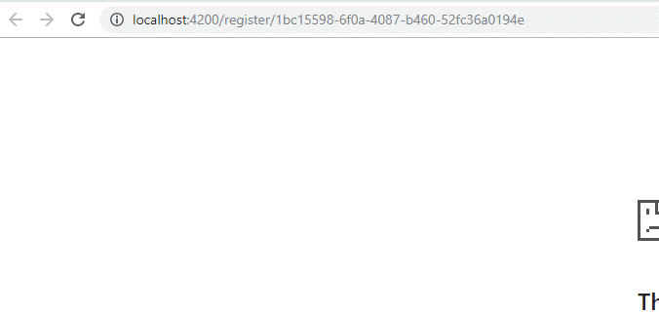
21 | Add User | Registration URL invalid | Backend |  |  |  | Africk / Mun Hoe

